13Nov2019
All versions of codes are there now i am trying to minimize weights |  |  | which has lesser impact
Actually i am trying to fuse data and imu is very less accurate data as compared to dvl so i shall give higher deviation to IMU with same height
i now try to rewrite a code
 |  | I have now the perception that actually it is all about the weights
i am giving absolute values of imu and Dvl (by giving sum of them to filter pcbc)
We took USBL as change because we can not take global values because if global values will be 100000 how we shall update weights
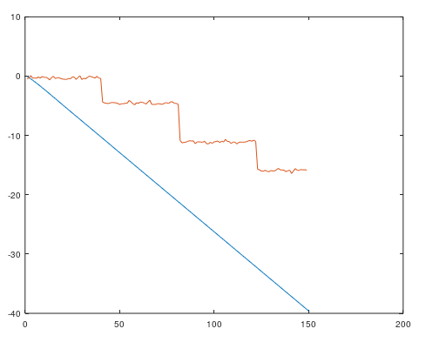

Weights of dvl and imu are extremely
small so combined affect is also small
Return is also zero
gIMU = -10.289
gDVL = -10.961
comingVal = -0.38107
val = 41 |  |  |  |  |  |  | There is a mistake i am not updating dvl values now it is fine

this clarifies that by changing weights
the values are also getting small

It is very essential to understand sensory data

IMU is inertial sensor and DVL is also inertial sensor

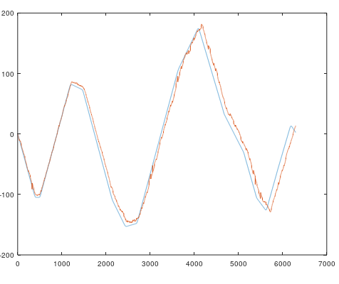
now weights are set and input is updating from
wights

 |  |  |  |  | Good enough because i was considering only IMU last time

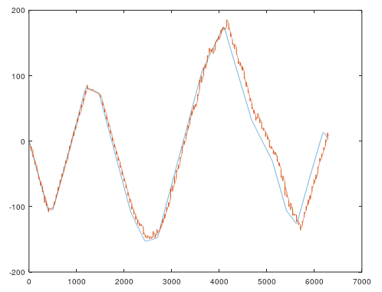
 |  |  |  |  |  | iter=5;
 |  |  |  |  |  | #setting Input for inertial sensor and positioning
 |  |  |  |  |  | AIMU=1;
 |  |  |  |  |  | sigmaIMU=30;
 |  |  |  |  |  | ADVL=1;
 |  |  |  |  |  | sigmaDVL=10;
 |  |  |  |  |  | AUSBL=1;
 |  |  |  |  |  | sigmaUSBL=1;

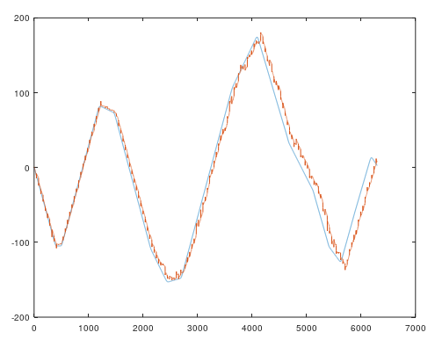
 |  |  |  |  |  | iter=5;
 |  |  |  |  |  | #setting Input for inertial sensor and positioning
 |  |  |  |  |  | AIMU=1;
 |  |  |  |  |  | sigmaIMU=30;
 |  |  |  |  |  | ADVL=1;
 |  |  |  |  |  | sigmaDVL=10;
 |  |  |  |  |  | AUSBL=1;
 |  |  |  |  |  | sigmaUSBL=0.1;

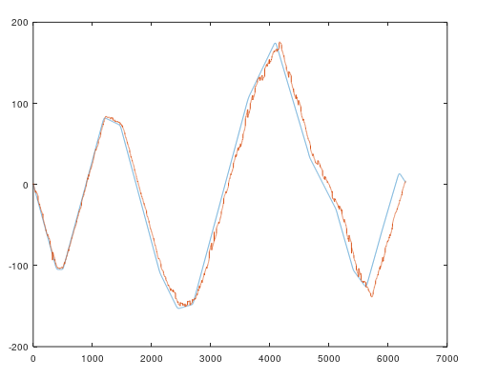
 |  |  |  |  |  | iter=30;
 |  |  |  |  |  | #setting Input for inertial sensor and positioning
 |  |  |  |  |  | AIMU=1;
 |  |  |  |  |  | sigmaIMU=30;
 |  |  |  |  |  | ADVL=1;
 |  |  |  |  |  | sigmaDVL=10;
 |  |  |  |  |  | AUSBL=1;
 |  |  |  |  |  | sigmaUSBL=0.1;

 |  |  |  |  |  | with iterations curly like becomes smooth

 | now i introduced the concept of last usbl because if 1 2 3 4 5 6 7 8 9 10 if pcbc last time returned 3 then next difference is 5 and new value will be 8 if accurate
 | that is why to overcome this problem i introduced the concept of lastusbl=lastPCBC value difference will be 10-3= 7 and new value will come 10 if accurate.

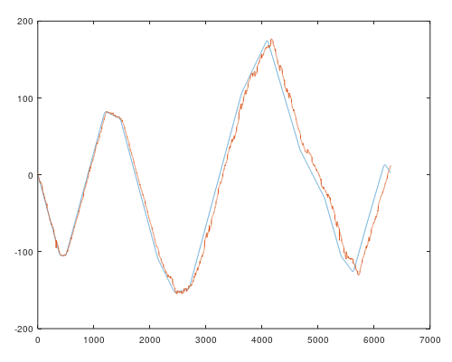
 |  |  |  |  |  |  |  | #Stable version of Thesis coding
 |  |  |  |  |  |  |  | clear all
 |  |  |  |  |  |  |  | clc
 |  |  |  |  |  | iter=30; #iterations of PCBC |  | ###### Initialization#################################################
 |  |  |  |  |  | #setting Input for inertial sensor and positioning |  | axis=2;
 |  |  |  |  |  | AIMU=1; |  | load("imuData.mat")
 |  |  |  |  |  | sigmaIMU=30; |  | load("dvlData.mat")
 |  |  |  |  |  | ADVL=1; |  | load("usblData.mat")
 |  |  |  |  |  | sigmaDVL=10; |  | load("dgpsData.mat")
 |  |  |  |  |  | AUSBL=1; |  | load("gtData.mat")
 |  |  |  |  |  | sigmaUSBL=0.1; |  | load("altimeterData.mat")

 |  |  |  |  |  |  |  | #try putting values in inertial and global sensor
 |  |  |  |  |  |  |  | XlocationIMU=imuData(1,axis);
 |  |  |  |  |  |  |  | XlocationDVL=dvlData(1,axis);
 |  |  |  |  |  | now if i > sigma |  | XlocationUSBL=usblData(1,axis);
 |  |  |  |  |  |  |  | #xUSBL will be zeros(1,801) %when no usblData

 |  |  |  |  |  |  |  | range=[-40:0.1:40];
 |  |  |  |  |  |  |  | centers=[-40:0.2:40];

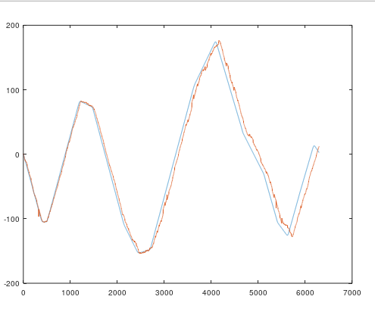
 |  |  |  |  |  |  |  | iter=30; #iterations of PCBC
 |  |  |  |  |  |  |  | #setting Input for inertial sensor and positioning
 |  |  |  |  |  |  |  | AIMU=1;
 |  |  |  |  | iter=30; #iterations of PCBC |  |  | sigmaIMU=30;
 |  |  |  |  | #setting Input for inertial sensor and positioning |  |  | ADVL=1;
 |  |  |  |  | AIMU=1; |  |  | sigmaDVL=2;
 |  |  |  |  | sigmaIMU=30; |  |  | AUSBL=1;
 |  |  |  |  | ADVL=1; |  |  | sigmaUSBL=0.1;
 |  |  |  |  | sigmaDVL=2;
 |  |  |  |  | AUSBL=1; |  |  | #setting input for positioning sensor
 |  |  |  |  | sigmaUSBL=0.1; |  |  | xIMU = G1D(range,XlocationIMU,sigmaIMU,AIMU);
 |  |  |  |  |  |  |  | xDVL = G1D(range,XlocationDVL,sigmaDVL,ADVL);

 |  |  |  |  |  |  |  | xUSBL = G1D(range,XlocationUSBL,sigmaUSBL,AUSBL);
 |  |  |  |  |  |  |  | #xUSBL = zeros(1,801); % only when no usblData
 |  |  |  |  |  |  |  | #Setting Weights
 |  |  |  |  |  |  |  | WIMU=[];
 |  |  |  |  | sigma is 2 nothing sp...... |  |  | [ext,wn]=size(centers);
 |  |  |  |  |  |  |  | for iw=1:wn
 |  |  |  |  |  |  |  | WG1D = G1D(range,centers(iw),sigmaIMU,AIMU)./sum(G1D(range,XlocationIMU,sigmaIMU,AIMU));
 |  |  |  |  |  |  |  | WIMU=[WIMU;WG1D];
 |  |  |  |  |  |  |  | endfor
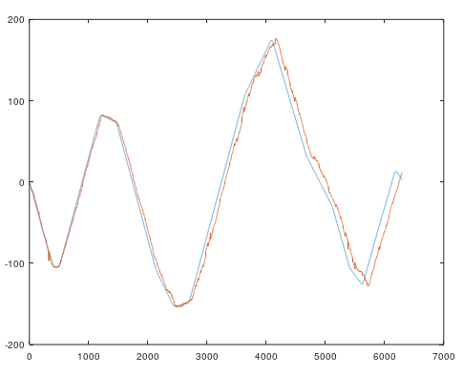
 |  |  |  |  |  |  |  | WDVL=[];
 |  |  |  | sigma ko kam kr k frq ni par rha |  |  |  | [ext,wn]=size(centers);
 |  |  |  |  |  |  |  | for iw=1:wn
 |  |  |  |  |  |  |  | WG1D = G1D(range,centers(iw),sigmaDVL,ADVL)./sum(G1D(range,XlocationDVL,sigmaDVL,ADVL));
 |  |  |  |  |  |  |  | WDVL=[WDVL;WG1D];
 |  |  |  |  |  |  |  | endfor

 |  |  |  |  |  |  |  | WUSBL=[];
 |  |  |  |  |  |  |  | [ext,wn]=size(centers);
 |  |  |  |  |  |  |  | for iw=1:wn
 |  |  |  |  |  |  |  | WG1D = G1D(range,centers(iw),sigmaUSBL,AUSBL);
 |  |  |  |  |  |  |  | WUSBL=[WUSBL;WG1D];
 |  |  |  |  |  |  |  | endfor
 |  |  |  |  |  |  |  | #some Variable initialization gor pcbc
 |  |  |  |  |  |  |  | VUSBL=bsxfun(@rdivide,abs(WUSBL),max(1e-6,max(abs(WUSBL),[],2)));
 |  |  |  |  |  |  |  | VIMU =bsxfun(@rdivide,abs(WIMU),max(1e-6,max(abs(WIMU),[],2)));
 |  |  |  |  |  |  |  | VDVL =bsxfun(@rdivide,abs(WDVL),max(1e-6,max(abs(WDVL),[],2)));
 | now a nw problm .... i am taking naxt usbl why .... simga 2 finz risalt |  |  |  |  |  |  | V = [VIMU VDVL VUSBL];
 |  |  |  |  |  |  |  | V = V';
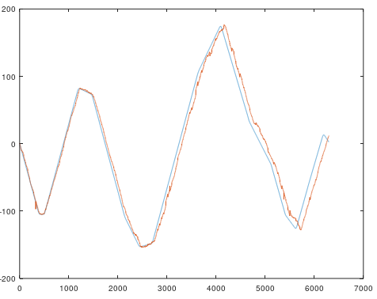
 |  |  |  |  |  |  |  | y=zeros(401,1);
 |  |  |  |  |  |  |  | epsilon1=1e-6;
 |  |  |  |  |  | osi tra rhaa |  | epsilon2=1e-4;
 |  |  |  |  |  | iter=30; #iterations of PCBC
 |  |  |  |  |  | #setting Input for inertial sensor and positioning
 |  |  |  |  |  | AIMU=1; |  | #concatination
 |  |  |  |  |  | sigmaIMU=30; |  | W = [WIMU WUSBL WUSBL];
 |  |  |  |  |  | ADVL=1; |  | x = [xIMU xDVL xUSBL];
 |  |  |  |  |  | sigmaDVL=0.2; |  | x=x';
 |  |  |  |  |  | AUSBL=1;
 |  |  |  |  |  | sigmaUSBL=0.1;
 |  |  |  |  |  |  |  | #PCBC-DIM
 |  |  |  |  |  |  |  | for i=1:iter
 |  |  |  |  |  |  |  | r=V*y;
 |  |  |  |  |  |  |  | e=x./(epsilon2+r);
 |  |  |  |  |  |  |  | y=(epsilon1+y).*(W*e);
 |  |  |  |  |  |  |  | endfor
 |  |  |  |  |  |  |  | globalTraj=[];
 |  |  |  |  |  |  |  | globalTrajvar=0;
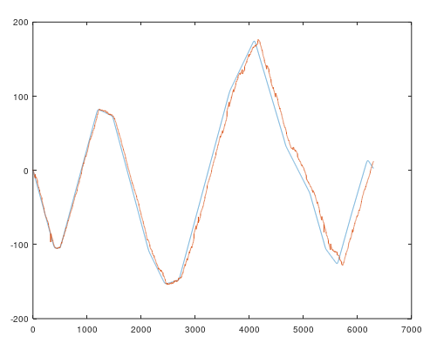
 |  |  |  |  |  |  |  | t=0;
 |  |  |  |  |  |  |  | lastUsbl=globalTrajvar=decode(y',centers)
 |  |  |  |  |  |  |  | globalTraj=[globalTraj; t globalTrajvar]

 |  |  |  |  |  |  |  | #######################Filter Processing##########################
 |  |  |  |  |  | iter=30; #iterations of PCBC
 |  |  |  |  |  | #setting Input for inertial sensor and positioning
 |  |  |  |  |  | AIMU=1; |  | #MainFile2
 |  |  |  |  |  | sigmaIMU=30; |  | xCusbl=[];
 |  |  |  |  |  | ADVL=1; |  | localTraj=[];
 |  |  |  |  |  | sigmaDVL=2; |  | xCusbl(2:158,1:4)=usblData(2:158,1:4);
 |  |  |  |  |  | AUSBL=1; |  | iImu=2;
 |  |  |  |  |  | sigmaUSBL=0.1; |  | iDvl=2;
 |  |  |  |  |  |  |  | iUsbl=2;
 |  |  |  |  |  |  |  | t=imuData(2,1);
 |  |  |  |  |  |  |  | tImu=imuData(2,1);
 |  |  |  |  |  |  |  | tDvl=dvlData(2,1);
 |  |  |  |  |  |  |  | tUsbl=xCusbl(2,1);
 |  |  |  |  |  |  |  | dt=imuData(2,1)-imuData(1,1);

 |  |  |  |  |  |  |  | gIMU=0;
 |  |  |  |  |  |  |  | gDVL=0;

 |  |  |  |  |  |  |  | ##### for values of sensors
 |  |  |  |  |  |  |  | for val=2:6300
 |  |  |  |  |  |  |  | val
 |  |  |  |  |  |  |  | if tImu<=t && iImu<6300
 |  |  |  |  |  | lovly |  | gIMU = gIMU + imuData(iImu,axis); % convert change into global
 |  |  |  |  |  |  |  | xIMU = G1D(range,gIMU,sigmaIMU,AIMU);
 |  |  |  |  |  |  |  | tImu=imuData(iImu+1,1);
 |  |  |  |  |  |  |  | iImu=iImu+1;
 |  |  |  |  |  |  |  | endif

 |  |  |  |  |  |  |  | if tDvl<=t && iDvl<6301
 |  |  |  |  |  |  |  | gDVL = gDVL + dvlData(iDvl,axis); % convert change into global
 |  |  |  |  |  |  |  | xDVL = G1D(range,gDVL,sigmaDVL,ADVL);
 |  |  |  |  |  |  |  | tDvl=dvlData(iDvl+1,1);
 |  |  |  |  |  |  |  | iDvl=iDvl+1;
 |  |  |  |  |  |  |  | else
 |  |  |  |  |  |  |  | xDVL =zeros(1,801);
 |  |  |  |  |  |  |  | endif

 |  |  |  |  |  |  |  | if tUsbl<=t && iUsbl<158
 |  |  |  |  |  |  |  | xUSBL = G1D(range,xCusbl(iUsbl,axis)-lastUsbl,sigmaUSBL,AUSBL); % Already a change
 | lov |  |  |  |  |  |  | tUsbl=xCusbl(iUsbl+1,1);
 |  |  |  |  |  |  |  | iUsbl=iUsbl+1;
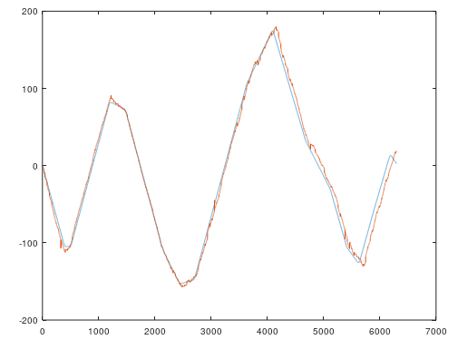
 | #Stable version of Thesis coding |  |  |  |  |  |  | else
 | clear all |  |  |  |  |  |  | xUSBL=zeros(1,801);
 | clc |  |  |  |  |  |  | endif
 | ###### Initialization#################################################
 | axis=2; |  |  |  |  |  |  | x = [xIMU xDVL xUSBL];
 | load("imuData.mat") |  |  |  |  |  |  | x=x';
 | load("dvlData.mat")
 | load("usblData.mat")
 | load("dgpsData.mat") |  |  |  |  |  |  | #PCBC-DIM
 | load("gtData.mat") |  |  |  |  |  |  | for i=1:iter
 | load("altimeterData.mat") |  |  |  |  |  |  | r=V*y;
 |  |  |  |  |  |  |  | e=x./(epsilon2+r);
 | #try putting values in inertial and global sensor |  |  |  |  |  |  | y=(epsilon1+y).*(W*e);
 | XlocationIMU=imuData(1,axis); |  |  |  |  |  |  | endfor
 | XlocationDVL=dvlData(1,axis); |  |  |  |  |  |  | #Decoding
 | XlocationUSBL=usblData(1,axis); |  |  |  |  |  |  | comingVal = decode(y',centers);
 | #xUSBL will be zeros(1,801) %when no usblData
 |  |  |  |  |  |  |  | if sum(xUSBL)>0.01 %if there is usblData
 |  |  |  |  |  |  |  | globalTrajvar+=comingVal; %sum b/c we are taking difference
 | range=[-40:0.1:40]; |  |  |  |  |  |  | lastUsbl=globalTrajvar; %want exact usbl difference
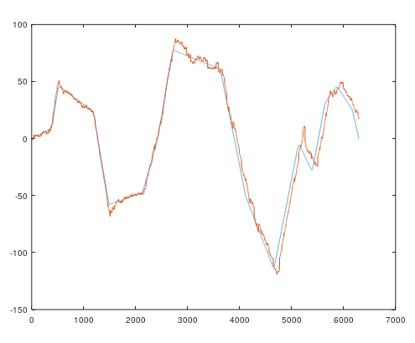
 | centers=[-40:0.2:40]; |  |  |  |  |  |  | gIMU=0; %reset global IMU value
 |  |  |  |  |  |  |  | gDVL=0; %reset global DVL value
 | iter=30; #iterations of PCBC |  |  |  |  |  |  | comingVal = 0; % reset comingVal as globalTrajvar is updated
 | #setting Input for inertial sensor and positioning |  |  |  |  |  |  | endif
 | AIMU=1;
 | sigmaIMU=30; |  |  |  |  |  |  | globalTraj=[globalTraj;t globalTrajvar+comingVal];
 | ADVL=1;
 | sigmaDVL=2;
 | AUSBL=1; |  |  |  |  |  |  | t=t+dt;
 | sigmaUSBL=0.1; |  |  |  |  |  |  | end
 |  |  |  |  |  |  |  | figure
 | #setting input for positioning sensor |  |  |  |  |  |  | plot(gtData(1:val,axis))
 | xIMU = G1D(range,XlocationIMU,sigmaIMU,AIMU); |  |  |  |  |  |  | hold on
 | xDVL = G1D(range,XlocationDVL,sigmaDVL,ADVL); |  |  |  |  |  |  | plot(globalTraj(1:val-1,2))
 |  |  |  |  |  |  |  | hold off
 | xUSBL = G1D(range,XlocationUSBL,sigmaUSBL,AUSBL);
 | #xUSBL = zeros(1,801); % only when no usblData
 | #Setting Weights
 | WIMU=[];
 | [ext,wn]=size(centers);
 | for iw=1:wn
 | WG1D = G1D(range,centers(iw),sigmaIMU,AIMU)./sum(G1D(range,XlocationIMU,sigmaIMU,AIMU));
 | WIMU=[WIMU;WG1D];
 | endfor

 | WDVL=[];
 | [ext,wn]=size(centers);
 | for iw=1:wn
 | WG1D = G1D(range,centers(iw),sigmaDVL,ADVL)./sum(G1D(range,XlocationDVL,sigmaDVL,ADVL));
 | WDVL=[WDVL;WG1D];
 | endfor

 | WUSBL=[];
 | [ext,wn]=size(centers);
 | for iw=1:wn
 | WG1D = G1D(range,centers(iw),sigmaUSBL,AUSBL);
 | WUSBL=[WUSBL;WG1D];
 | endfor
 | #some Variable initialization gor pcbc
 | VUSBL=bsxfun(@rdivide,abs(WUSBL),max(1e-6,max(abs(WUSBL),[],2)));
 | VIMU =bsxfun(@rdivide,abs(WIMU),max(1e-6,max(abs(WIMU),[],2)));
 | VDVL =bsxfun(@rdivide,abs(WDVL),max(1e-6,max(abs(WDVL),[],2)));
 | V = [VIMU VDVL VUSBL];
 | V = V';
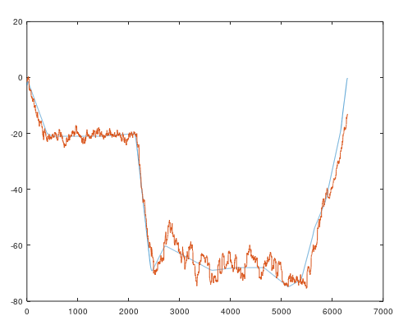
 | y=zeros(401,1);
 | epsilon1=1e-6;
 | epsilon2=1e-4;

 | #concatination
 | W = [WIMU WUSBL WUSBL];
 | x = [xIMU xDVL xUSBL];
 | x=x';

 | #PCBC-DIM
 | for i=1:iter
 | r=V*y;
 | e=x./(epsilon2+r);
 | y=(epsilon1+y).*(W*e);
 | endfor
 | globalTraj=[];
 | globalTrajvar=0;
 | t=0;
 | lastUsbl=globalTrajvar=decode(y',centers)
 | globalTraj=[globalTraj; t globalTrajvar]

 | #######################Filter Processing##########################

 | #MainFile2
 | xCusbl=[];
 | localTraj=[];
 | xCusbl(2:158,1:4)=usblData(2:158,1:4);
 | iImu=2;
 | iDvl=2;
 | iUsbl=1; % b/qs i starts from 2
 | t=imuData(2,1);
 | tImu=imuData(2,1);
 | tDvl=dvlData(2,1);
 | tUsbl=xCusbl(2,1);
 | dt=imuData(2,1)-imuData(1,1);

 | gIMU=0;
 | gDVL=0;

 | ##### for values of sensors
 | for val=2:6300
 | val
 | if tImu<=t && iImu<6300
 | gIMU = gIMU + imuData(iImu,axis); % convert change into global
 | xIMU = G1D(range,gIMU,sigmaIMU,AIMU);
 | tImu=imuData(iImu+1,1);
 | iImu=iImu+1;
 | endif

 | if tDvl<=t && iDvl<6301
 | gDVL = gDVL + dvlData(iDvl,axis); % convert change into global
 | xDVL = G1D(range,gDVL,sigmaDVL,ADVL);
 | tDvl=dvlData(iDvl+1,1);
 | iDvl=iDvl+1;
 | else
 | xDVL =zeros(1,801);
 | endif

 | if tUsbl<=t && iUsbl<158
 | xUSBL = G1D(range,xCusbl(iUsbl+1,axis)-lastUsbl,sigmaUSBL,AUSBL); % Already a change
 | tUsbl=xCusbl(iUsbl+1,1);
 | iUsbl=iUsbl+1;
 | else
 | xUSBL=zeros(1,801);
 | endif

 | x = [xIMU xDVL xUSBL];
 | x=x';

 | #PCBC-DIM
 | for i=1:iter
 | r=V*y;
 | e=x./(epsilon2+r);
 | y=(epsilon1+y).*(W*e);
 | endfor
 | #Decoding
 | comingVal = decode(y',centers);

 | if sum(xUSBL)>0.01 %if there is usblData
 | globalTrajvar+=comingVal; %sum b/c we are taking difference
 | lastUsbl=globalTrajvar; %want exact usbl difference
 | gIMU=0; %reset global IMU value
 | gDVL=0; %reset global DVL value
 | comingVal = 0; % reset comingVal as globalTrajvar is updated
 | endif

 | globalTraj=[globalTraj;t globalTrajvar+comingVal];

 | t=t+dt;
 | end
 | figure
 | plot(gtData(1:val,axis))
 | hold on
 | plot(globalTraj(1:val-1,2))
 | hold off

outperformed simulations
time difference should be according to the AMU sensor
data must be synchronised |  |  |  | v16s

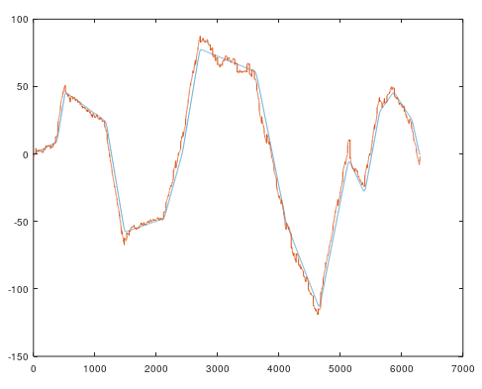

 |  |  |  |  | iter=15; #iterations of PCBC
 |  |  |  |  | #setting Input for inertial sensor and positioning
 |  |  |  |  | AIMU=1;
 |  |  |  |  | sigmaIMU=20;
 |  |  |  |  | ADVL=1;
 |  |  |  |  | sigmaDVL=2;
 |  |  |  |  | AUSBL=1;
 |  |  |  |  | sigmaUSBL=0.1;
 |  |  |  |  | ADGPS=1;
 |  |  |  |  | sigmaDGPS=0.1;

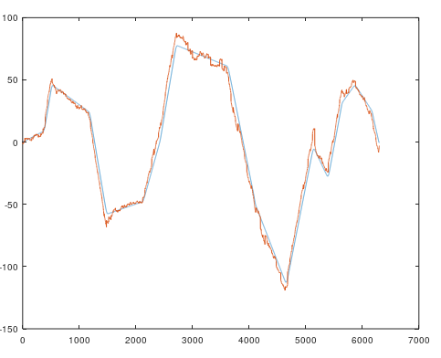

 |  |  |  |  | iter=25; #iterations of PCBC
 |  |  |  |  | #setting Input for inertial sensor and positioning
 |  |  |  |  | AIMU=1;
 |  |  |  |  | sigmaIMU=20;
 |  |  |  |  | ADVL=1;
 |  |  |  |  | sigmaDVL=2;
 |  |  |  |  | AUSBL=1;
 |  |  |  |  | sigmaUSBL=1;
 |  |  |  |  | ADGPS=1;
 |  |  |  |  | sigmaDGPS=0.1;

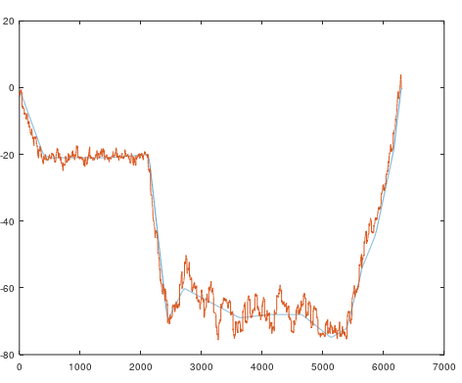
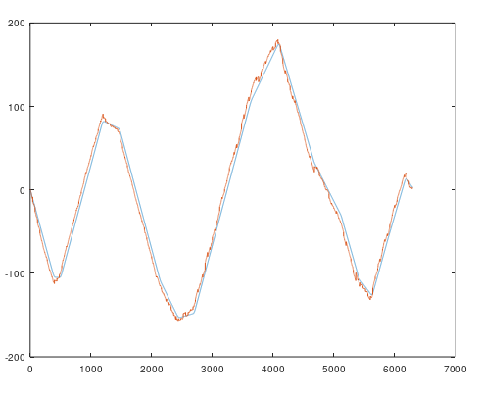

 |  |  |  |  | iter=25; #iterations of PCBC
 |  |  |  |  | #setting Input for inertial sensor and positioning
 |  |  |  |  | AIMU=1;
 |  |  |  |  | sigmaIMU=20;
 |  |  |  |  | ADVL=1;
 |  |  |  |  | sigmaDVL=5;
 |  |  |  |  | AUSBL=1;
 |  |  |  |  | sigmaUSBL=1;
 |  |  |  |  | ADGPS=1;
 |  |  |  |  | sigmaDGPS=0.1;

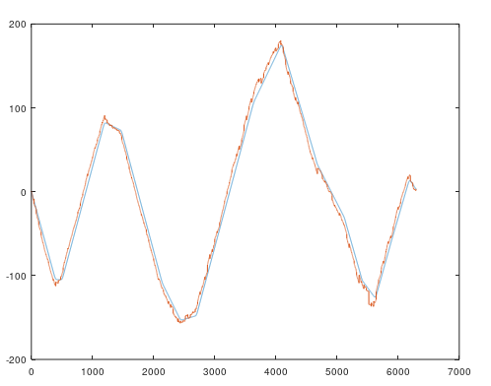
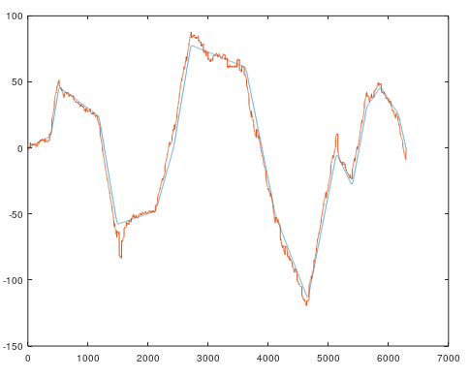
 | even noise is added and result is seen for x and y axis |  |  |  | % adding non-Gaussian Noise to the USBL sensor x and y
 |  |  |  |  | usblData(10,2:3) = [-150 -100];
 |  |  |  |  | usblData(20,2:3) = [-150 -100];
 |  |  |  |  | usblData(40,2:3) = [-150 -100];
 |  |  |  |  | usblData(60,2:3) = [-150 -100];
 |  |  |  |  | usblData(80,2:3) = [-150 -100];
 |  |  |  |  | usblData(100,2:3) = [-150 -100];
 |  |  |  |  | usblData(120,2:3) = [-150 -100];
 |  |  |  |  | usblData(140,2:3) = [-150 -100];

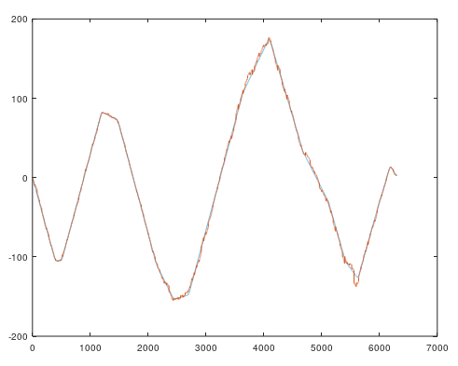
 |  | Now i made code more general and i added all abrupt noise on x and y axis
 |  | i divided weight with its own weight ()
 |  |  | last time i did added a constant gaussian

 | #Stable version of Thesis coding
 | clear all
 | clc
 | ###### Initialization#################################################

 | axis=2; %2-4 1 is time x=2,y=3,z=4

 | load("imuData.mat")
 | load("dvlData.mat")
 | load("usblData.mat")
 | load("dgpsData.mat")
 | load("gtData.mat")
 | load("altimeterData.mat")

 | % adding non-Gaussian Noise to the USBL sensor x and y |  |  |  | WG1D = G1D(range,centers(iw),sigmaIMU,AIMU)./sum(G1D(range,centers(iw),sigmaIMU,AIMU));
 | usblData(10,2:3) = [-150 -100]; |  |  |  | actually normalize weights with its own weight value
 | usblData(20,2:3) = [-150 -100];
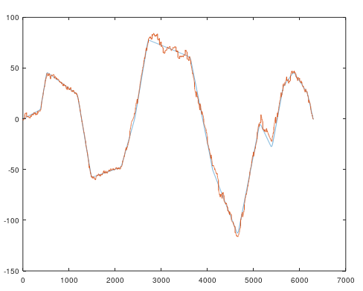
 | usblData(40,2:3) = [-150 -100];
 | usblData(60,2:3) = [-150 -100];
 | usblData(80,2:3) = [-150 -100];
 | usblData(100,2:3) = [-150 -100];
 | usblData(120,2:3) = [-150 -100];
 | usblData(140,2:3) = [-150 -100];
 | #xUSBL will be zeros(1,801) %when no usblData

 | range=[-40:0.1:40];
 | centers=[-40:0.2:40];

 | iter=25; #iterations of PCBC
 | #setting Input for inertial sensor and positioning
 | AIMU=1;
 | sigmaIMU=20;
 | ADVL=1;
 | sigmaDVL=5;
 | AUSBL=1;
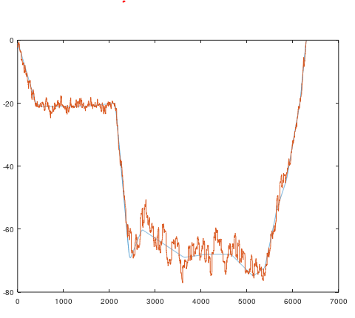
 | sigmaUSBL=1;
 | ADGPS=1;
 | sigmaDGPS=0.1;

 | #xUSBL = zeros(1,801); % only when no usblData
 | #Setting Weights
 | WIMU=[];
 | [ext,wn]=size(centers);
 | for iw=1:wn
 | WG1D = G1D(range,centers(iw),sigmaIMU,AIMU)./sum(G1D(range,centers(iw),sigmaIMU,AIMU));
 | WIMU=[WIMU;WG1D];
 | endfor

 | WDVL=[];
 | [ext,wn]=size(centers);
 | for iw=1:wn
 | WG1D = G1D(range,centers(iw),sigmaDVL,ADVL)./sum(G1D(range,centers(iw),sigmaDVL,ADVL));
 | WDVL=[WDVL;WG1D];
 | endfor

 | WUSBL=[];
 | [ext,wn]=size(centers);
 | for iw=1:wn
 | WG1D = G1D(range,centers(iw),sigmaUSBL,AUSBL);
 | WUSBL=[WUSBL;WG1D];
 | endfor
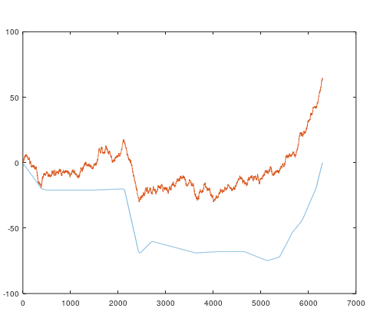
 |  |  |  |  |  | without pcbc if i take values

 | WDGPS=[];
 | [ext,wn]=size(centers);
 | for iw=1:wn
 | WG1D = G1D(range,centers(iw),sigmaDGPS,ADGPS);
 | WDGPS=[WDGPS;WG1D];
 | endfor

 | #some Variable initialization gor pcbc
 | VUSBL=bsxfun(@rdivide,abs(WUSBL),max(1e-6,max(abs(WUSBL),[],2)));
 | VIMU =bsxfun(@rdivide,abs(WIMU),max(1e-6,max(abs(WIMU),[],2)));
 | VDVL =bsxfun(@rdivide,abs(WDVL),max(1e-6,max(abs(WDVL),[],2)));
 | VDGPS =bsxfun(@rdivide,abs(WDGPS),max(1e-6,max(abs(WDGPS),[],2)));

 | V = [VIMU VDVL VUSBL VDGPS];
 | V = V';
 | y=zeros(401,1);
 | epsilon1=1e-6;
 | epsilon2=1e-4;

 | #concatination
 | W = [WIMU WUSBL WUSBL WDGPS];

 | #######################Filter Processing##########################

 | #MainFile2iImu=1;
 | iImu=1;
 | iDvl=1;
 | iUsbl=1; % b/qs i starts from 2
 | iDgps=1;
 | t=imuData(1,1);
 | tImu=imuData(1,1);
 | tDvl=dvlData(1,1);
 | tUsbl=usblData(1,1);
 | tDGPS=dgpsData(1,1)

 | gIMU=0;
 | gDVL=0;
 | globalTrajvar=0;
 | lastDGPS=lastUsbl=0; %reference Point
 | globalTraj=[];

 | ##### for values of sensors
 | for val=1:length(imuData) % highest rate
 | val
 | if tImu<=t && iImu<length(imuData)
 | gIMU = gIMU + imuData(iImu,axis); % convert change into global
 | xIMU = G1D(range,gIMU,sigmaIMU,AIMU);
 | tImu=imuData(iImu+1,1);
 | iImu=iImu+1;
 | endif

 | if tDvl<=t && iDvl<length(dvlData)
 | gDVL = gDVL + dvlData(iDvl,axis); % convert change into global
 | xDVL = G1D(range,gDVL,sigmaDVL,ADVL);
 | tDvl=dvlData(iDvl+1,1);
 | iDvl=iDvl+1;
 | endif

 | if tUsbl<=t && iUsbl<length(usblData) % as we are taking change so total-1
 | xUSBL = G1D(range,usblData(iUsbl,axis)-lastUsbl,sigmaUSBL,AUSBL); % Already a change
 | tUsbl=usblData(iUsbl+1,1);
 | iUsbl=iUsbl+1;
 | else
 | xUSBL=zeros(1,801);
 | endif

 | if tDGPS<=t && iDgps<length(dgpsData)
 | xDGPS = G1D(range,dgpsData(iDgps,axis)-lastDGPS,sigmaDGPS,ADGPS); % Already a change
 | tDGPS=dgpsData(iDgps+1,1);
 | iDgps=iDgps+1;
 | else
 | xDGPS=zeros(1,801);
 | endif

 | x = [xIMU xDVL xUSBL xDGPS];
 | x=x';

 | #PCBC-DIM
 | for i=1:iter
 | r=V*y;
 | e=x./(epsilon2+r);
 | y=(epsilon1+y).*(W*e);
 | endfor
 | #Decoding
 | comingVal = decode(y',centers);

 | if sum(xUSBL)>0.01 || sum(xDGPS)>0.01 %if there is usblData
 | globalTrajvar+=comingVal; %sum b/c we are taking difference
 | lastUsbl=globalTrajvar; %want exact usbl difference
 | lastDGPS=globalTrajvar; % for approching to dgps
 | gIMU=0; %reset global IMU value
 | gDVL=0; %reset global DVL value
 | comingVal = 0; % reset comingVal as globalTrajvar is updated
 | endif

 | %because usbl and dgps are positioning sensors

 | globalTraj=[globalTraj;t globalTrajvar+comingVal];

 | t=imuData(iImu,1);
 | end
 | figure
 | plot(gtData(1:val,axis))
 | hold on
 | plot(globalTraj(1:val,2))
 | hold off

experimental data comparison
some comparison of BPRF and pcbc
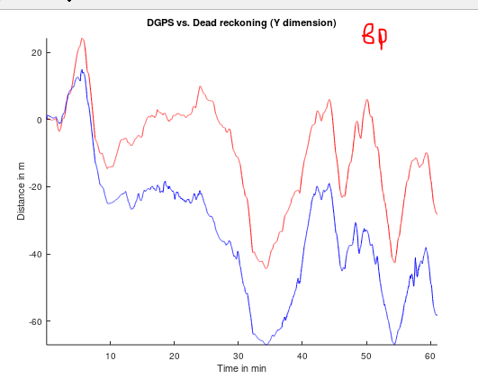
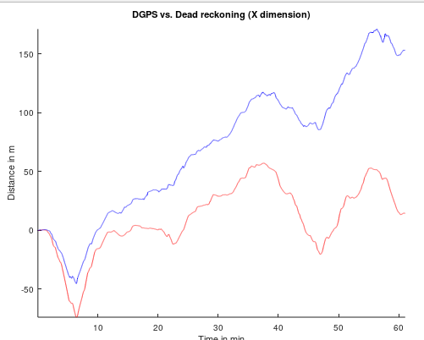
 |  |  |  |  |  |  |  |  |  |  |  |  |  |  |  |  | bprf

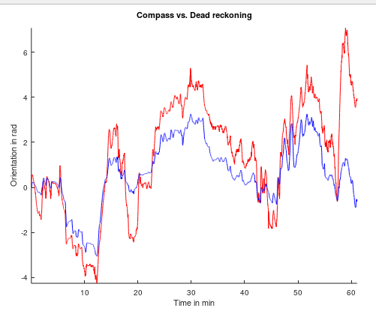
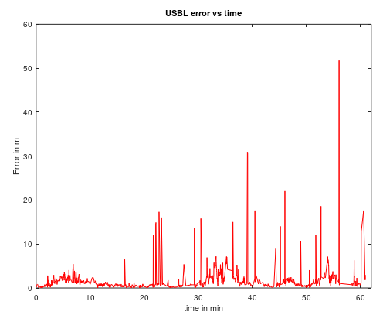

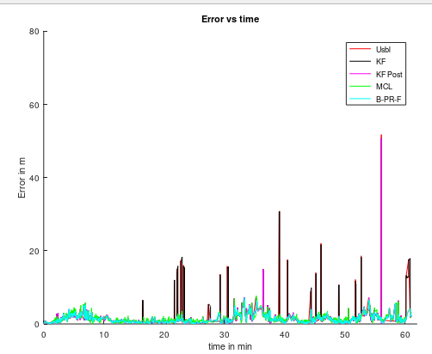
 |  |  |  |  |  |  |  |  |  |  |  |  | we can follow the green line with pcbc
 |  |  |  |  |  |  |  |  |  |  |  |  | by following the abrupt the range principle
 |  |  |  |  |  |  |  |  |  |  |  |  | but now i also want to reduce cost of pcbc
 |  |  |  |  |  |  |  |  |  |  |  |  | so i am going to select custom regions for both
 |  |  |  |  |  |  |  |  |  |  |  |  | sensors and and weights too
 |  |  |  |  |  |  |  |  |  |  |  |  | then i shall decode them
 |  |  |  |  |  |  |  |  |  |  |  |  | so that if usbl is -40-1-40 then imu -4-0.1-4
 |  |  |  |  |  |  |  |  |  |  |  |  | i do not want both of them -40- 0.1 - 40
 |  |  |  |  |  |  |  |  |  |  |  |  | it consume too much computational cost

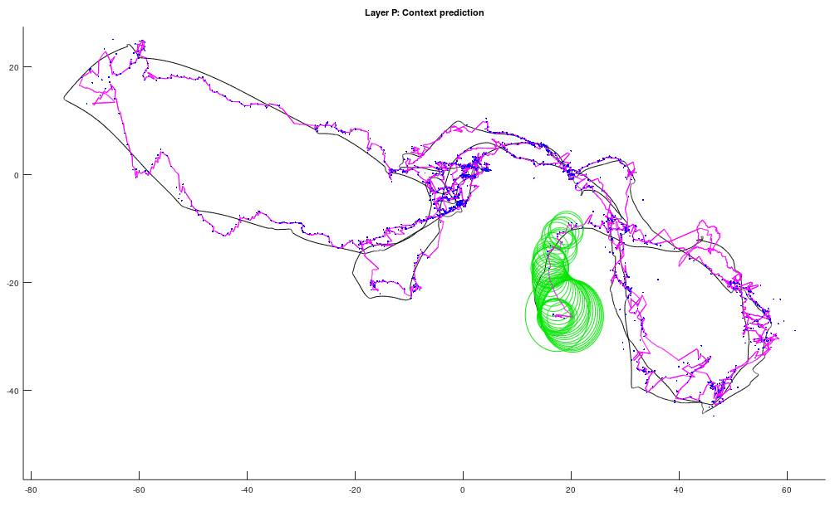

 |  |  |  |  |  |  |  |  |  |  |  |  |  |  |  | here green is principle of
 |  |  |  |  |  |  |  |  |  |  |  |  |  |  |  | contextual anticipation

 | i took the data of 5s version of coding i named it experimental data i am trying to get specific range for each sensor
 | with same range i am getting
 |  |  |  |  | sigmaW1 = 1; |  |  |  |  |  | code is written on very right side in which i am doing amedments |  |  |  |  |  |  |  | #first run it then ok file
 |  |  | input1=imu |  | sigmaW2 = 1; |  |  |  |  |  |  |  |  |  |  |  |  |  | clear all
 |  |  | input2=usbl |  |  |  |  |  |  |  |  |  |  |  |  |  |  |  | clc
 |  |  |  |  | input1=2 |  |  |  |  |  |  |  |  |  |  |  |  |  | clear
 |  |  |  |  | input2=2 |  |  |  |  |  |  |  |  |  |  |  |  |  | load("imuData.mat")
 |  |  |  |  | ਀decodedX = 2.0000 |  |  |  |  |  |  |  |  |  |  |  |  |  | load("dvlData.mat")
 |  |  |  |  |  |  |  |  |  |  |  |  |  |  |  |  |  |  | load("usblData.mat")
 |  |  |  |  |  |  |  |  |  |  |  |  |  |  |  |  |  |  | load("dgpsData.mat")
 | now i wan that the imu should have range 4 - 4 and usbl 40 - 40 and i see results |  |  |  |  |  |  |  |  |  |  |  |  | every time changing weights is not good choice |  |  |  |  | load("gtData.mat")
 | but here the problem is that i have been using dvl and imu as sum of sensors imu + last imu |  |  |  |  |  |  |  |  |  |  |  |  | otherwise i can update weights with increment |  |  |  |  | load("altimeterData.mat")
 | so here by using this method i must have to feed its specific value to the sensor and |  |  |  |  |  |  |  |  |  |  |  |  | of imu sensor values
 | if this will work finely then i shall feed inertial values to the network and i shall do decode + last decode of inertial value |  |  |  |  |  |  |  |  |  |  |  |  |  |  |  |  |  | x1 = imuData(1:10,2);
 |  |  |  |  |  |  |  |  |  |  |  |  |  |  |  |  |  |  | x2 = usblData(1:2,2);
 |  | cW1 = [-40:1:40]; |  |  | cW1 = [-40:1:40]; |  |  |  |  |  |  | cW1 = [-4:0.1:4];
 |  | cW2 = [-40:1:40]; |  |  | cW2 = [-40:1:40]; |  |  |  |  |  |  | cW2 = [-40:1:40]; |  |  |  |  |  |  | y1 = imuData(1:10,2);
 |  | #cW3 = [-40:1:40]; |  |  | #cW3 = [-40:1:40]; |  |  |  |  |  |  | #cW3 = [-40:1:40]; |  |  |  |  |  |  | y2 = usblData(1:2,3);
 |  | #cW4 = [-4:0.1:4]; |  |  | #cW4 = [-4:0.1:4]; |  |  |  |  |  |  | #cW4 = [-4:0.1:4];
 |  | rangW1 = [-40:1:40]; |  |  | rangW1 = [-40:1:40]; |  |  |  |  |  |  | rangW1 = [-4:0.1:4]; |  |  |  |  |  |  | z1 = imuData(1:10,2);
 |  | rangW2 = [-40:1:40]; |  |  | rangW2 = [-40:1:40]; |  |  |  |  |  |  | rangW2 = [-40:1:40]; |  |  |  |  |  |  | z2 = dvlData(1:10,2);
 |  | #rangW3 = [-40:1:40]; |  |  | #rangW3 = [-40:1:40]; |  |  |  |  |  |  | #rangW3 = [-40:1:40]; |  |  |  |  |  |  | # distribute equal weights -3.5 to 3.5
 |  | #rangW4 = [-4:0.1:4]; |  |  | #rangW4 = [-4:0.1:4]; |  |  |  |  |  |  | #rangW4 = [-4:0.1:4]; |  |  |  |  |  |  | cW1 = [-40:1:40];
 |  |  |  |  |  |  |  |  |  |  |  |  |  |  |  |  |  |  | cW2 = [-40:1:40];
 |  | sigmaW1 = 1; |  |  | sigmaW1 = 1; |  |  |  |  |  |  | sigmaW1 = 1; |  |  |  |  |  |  | #cW3 = [-40:1:40];
 |  | sigmaW2 = 1; |  |  | sigmaW2 = 1; |  |  |  |  |  |  | sigmaW2 = 1; |  |  |  |  |  |  | #cW4 = [-4:0.1:4];
 |  |  |  |  |  |  |  |  |  |  |  |  |  |  |  |  |  |  | rangW1 = [-40:1:40];
 |  | input1=2 |  |  | input1=2 |  |  |  | input1 = 1.1000 |  |  | input1=0.1 |  |  |  |  |  |  | rangW2 = [-40:1:40];
 |  | input2=2 |  |  | input2=1 |  |  |  | input2 = 1.1000 |  |  | input2=1 |  |  |  |  |  |  | #rangW3 = [-40:1:40];
 |  | decodedX = 2.0000 |  |  | ਀decodedX = 1.5000 and i can give input |  |  |  | decodedX = 1.0890 |  |  | decodedX = 0.99944 |  |  |  |  |  |  | #rangW4 = [-4:0.1:4];
 |  |  |  |  | 1.5 too it is returning me same |  |  |  | >>
 |  |  |  |  |  |  |  |  |  |  |  |  |  |  |  |  |  |  | sigmaW1 = 1;
 |  |  |  |  |  |  |  |  | here i can do something if i say usbl is 4 to 4 and i devide its value with 10 then ??? |  |  |  |  |  |  |  |  |  | sigmaW2 = 1;

 |  | here it is i have achieved the usbl value with less cost |  |  |  |  |  |  |  |  |  |  |  |  |  |  |  |  | input1=2
 |  | cW1 = [-40:1:40]; |  |  |  |  |  | cW1 = [-4:0.1:4]; |  |  |  |  |  |  |  |  |  |  | input2=2
 |  | cW2 = [-4:0.1:4]; %usblData |  |  |  |  |  | cW2 = [-4:0.1:4]; %usblData
 |  | #cW3 = [-40:1:40]; |  |  |  |  |  | #cW3 = [-40:1:40]; |  |  |  |  |  |  |  |  |  |  | x1=gaussian1D_bank(1,rangW1,input1,sigmaW1);
 |  | #cW4 = [-4:0.1:4]; |  |  |  |  |  | #cW4 = [-4:0.1:4]; |  |  |  | here i am just trying to encode input for |  |  |  |  |  |  | x2=gaussian1D_bank(1,rangW2,input2,sigmaW2);
 |  | rangW1 = [-40:1:40]; |  |  |  |  |  | rangW1 = [-4:0.1:4]; |  |  |  | pcbc i am not changing height of gaussian
 |  | rangW2 = [-4:0.1:4]; |  |  |  |  |  | rangW2 = [-4:0.1:4];
 |  | #rangW3 = [-40:1:40]; |  |  |  |  |  | #rangW3 = [-40:1:40];
 |  | #rangW4 = [-4:0.1:4]; |  |  |  |  |  | #rangW4 = [-4:0.1:4];

 |  | sigmaW1 = 1; |  |  |  |  |  | sigmaW1 = 1;
 |  | sigmaW2 = 1; |  |  |  |  |  | sigmaW2 = 1; |  |  |  |  |  |  |  |  |  |  | epsilon1=1e-6;
 |  |  |  |  |  |  |  |  |  |  |  |  |  |  |  |  |  |  | epsilon2=1e-4;
 |  | input1=1 |  |  |  |  |  | input1=1
 |  | input2=1/10 |  |  |  |  |  | input2=1 |  |  |  |  |  |  |  |  |  |  | [W1] = getMatrix(cW1,rangW1,sigmaW1);
 |  |  |  |  |  |  |  |  |  |  |  |  |  |  |  |  |  |  | [W2] = getMatrix(cW2,rangW2,sigmaW2);
 |  |  |  |  |  |  |  | decodedX = 0.99696 |  |  |  |  |  |  |  |  |  |  | #[W3] = getMatrix(cW3,rangW3,sigmaW3);
 |  |  |  |  |  |  |  |  |  |  |  |  |  |  |  |  |  |  | #[W4] = getMatrix(cW4,rangW4,sigmaW4);
 |  |  |  |  |  |  |  |  |  |  |  |  |  |  |  |  |  |  | W=[W1 W2];
 |  | i think for now i stop these complexities and i now try to focus solution by considering same algorithm and i try with replace last usbl value with last came value |  |  |  |  |  |  |  |  |  |  |  |  |  |  |  |  | V=bsxfun(@rdivide,abs(W),max(1e-6,max(abs(W),[],2)));
 |  | i ran the code by replacing last usbl with globalTrajVar so i now see the difference |  |  |  |  |  |  |  |  |  |  |  |  |  |  |  |  | V=V';
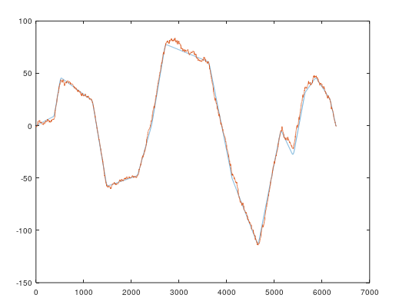
 |  |  |  |  |  |  |  |  |  |  | it worked no i shall take difference with respect to last value
 |  |  |  |  |  |  |  |  |  |  | and abrupt noise is also overcomed here
 |  |  |  |  |  |  |  |  | it will work sure because globalTrajVar is equal to lastusbl value |  |  |  |  |  |  |  |  |  | #x3=gaussian1D_bank(rangW3,usblData(1,2),sigmaW3)
 |  |  |  |  |  |  |  |  |  |  |  |  |  |  |  |  |  |  | #x4=gaussian1D_bank(rangW4,0,sigmaW4)
 |  |  |  |  |  |  |  |  | if sum(xUSBL)>0.01 || sum(xDGPS)>0.01 %if there is usblData |  |  |  |  |  |  |  |  |  | x=[x1 x2];
 |  |  |  |  |  |  |  |  | globalTrajvar+=comingVal; %sum b/c we are taking difference |  |  |  |  |  |  |  |  |  | x=x';
 |  |  |  |  |  |  |  |  | lastUsbl=globalTrajvar; %want exact usbl difference |  |  |  |  |  |  |  |  |  | y=zeros(81,1);
 |  |  |  |  |  |  |  |  | lastDGPS=globalTrajvar; % for approching to dgps
 |  |  |  |  |  |  |  |  | gIMU=0; %reset global IMU value
 |  |  |  |  |  |  |  |  | gDVL=0; %reset global DVL value |  |  |  |  |  |  |  |  |  | for it=1:20
 |  |  |  |  |  |  |  |  | comingVal = 0; % reset comingVal as globalTrajvar is updated |  |  |  |  |  |  |  |  |  | %x=single(imnoise(uint8(125.*x),'poisson'))./125;
 |  |  |  |  |  |  |  |  | endif |  |  |  |  |  |  |  |  |  | %y=single(imnoise(uint8(125.*y),'poisson'))./125;

 |  |  |  |  |  |  |  |  |  |  |  |  |  |  |  |  |  |  | %update responses
 |  |  |  |  |  |  |  |  | %because usbl and dgps are positioning sensors |  |  |  |  |  |  |  |  |  | r=V*y;
 |  |  |  |  |  |  |  |  |  |  |  |  |  |  |  |  |  |  | %e=x./max(epsilon2,r);
 |  |  |  |  |  |  |  |  | globalTraj=[globalTraj;t globalTrajvar+comingVal]; |  |  |  |  |  |  |  |  |  | e=x./(epsilon2+r);
 |  |  |  |  |  |  |  |  |  |  |  |  |  |  |  |  |  |  | %y=max(epsilon1,y).*(W*e);
 |  |  |  |  |  |  |  |  |  |  |  |  |  |  |  |  |  |  | y=(epsilon1+y).*(W*e);

 |  |  |  |  |  |  |  |  |  |  |  |  |  |  |  |  |  |  | end
 | now i introduced a special variable for taking a recent value |  |  |  |  |  |  |  |  |  |  |  |  |  |  |  |  |  | [decodedX]=gaussDecode(y',[-40:1:40])

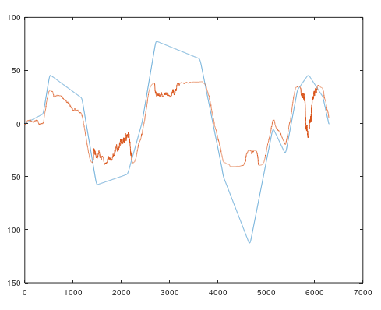
 |  |  |  |  |  |  |  |  |  |  |  |  |  |  |  |  |  |  | allCalVal=[];
 |  |  |  |  |  |  |  | it is reference value at start |  |  |  |  |  |  |  |  |  |  | allCalVal=[allCalVal; decodedX];

 |  |  |  |  |  |  |  | xUSBL = G1D(range,usblData(iUsbl,axis)-globalTrajvarspec,sigmaUSBL,AUSBL); % Already a change
 |  |  |  |  |  |  |  | globalTrajvarspec=globalTraj(iImu-1,2);
 |  |  |  |  |  |  |  | i am very much sure now this will not work so i go back to last type of method
 |  |  |  |  |  |  |  | but there was technical mistake in coding that is why figure left is appeared
 |  |  |  |  |  |  |  | see figure below which is quite nice

 |  |  |  |  |  |  |  | here a new point rises if i take the distance of usbl last value and usbl current value then ?

 |  |  |  |  |  |  |  | stop! i may be did a mistake that i entered values in if t==0 condition may be that is why
 |  |  |  |  |  |  |  | such trajectory appeared so i cross check this
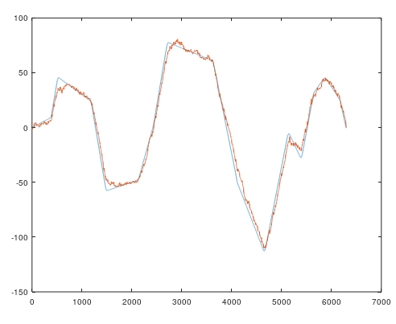

 | although not very fine result comparatatively, with good enough if needed

 | one point is clear that everytime we have to design system for particular environment.

 | if i critically examine the data then usbl change is very small say 1 meter may be and all others are abrupt noise what if i see the data and try to find
 | vehical maximum speed and minimum rate of usbl then i can say something about designing the weights
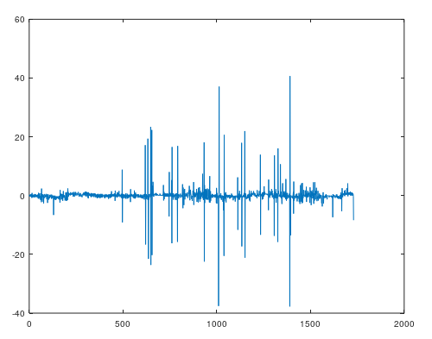
 |  |  |  |  |  |  |  |  |  | experimental data of usbl
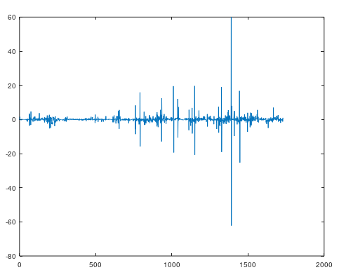

 |  |  |  | X axis | below is sorted plot
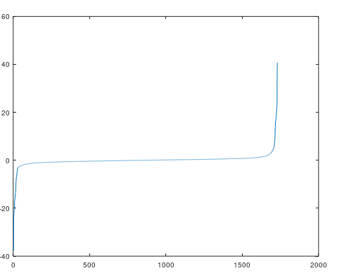

 |  |  |  |  |  |  |  |  |  |  | y axis usbl

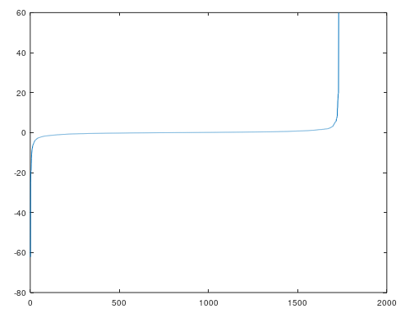

 |  | now i plot gaussian of usbl and on that base i shall select the range of usbl and imu data thank you

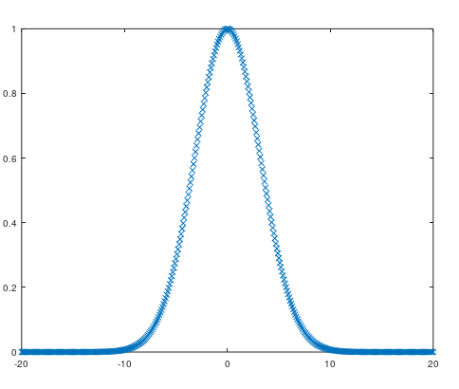

 |  |  |  |  |  |  |  |  |  | 1) nature of data 2) selection of range of weights on base of global sensor data 3) inertial sensor to add and global sensor to prioritize 4) process with the difference of highest rate sensor

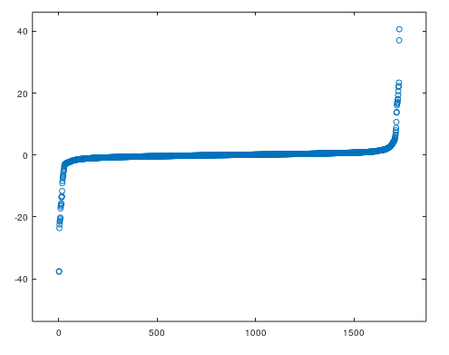

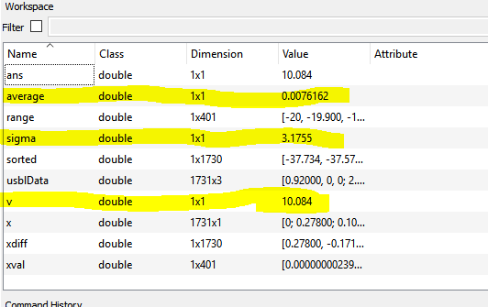

 |  |  |  |  |  |  |  |  |  |  | above is x axis

 |  | now i started putting values and from range -1 to 1 .... even i came to -5 to 5 and results are like
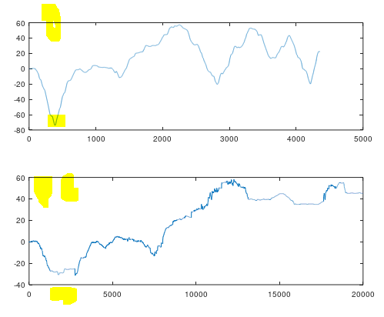

 |  |  |  |  |  |  |  |  |  | still value is miss so i add more range to it

 |  |  |  |  |  |  |  |  |  | i can see where abrupt change occurs there values are missed
 |  |  |  |  |  |  |  |  |  | that is why i add more to range

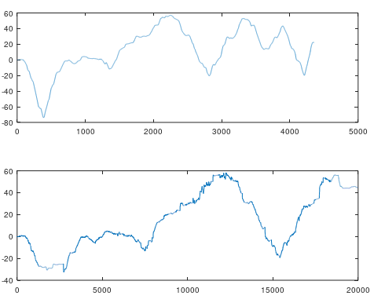
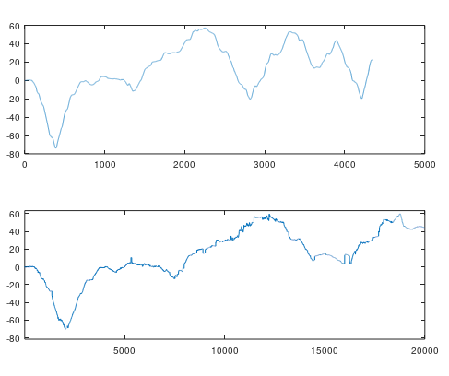

 |  |  |  | -5 | 0.01 | 5 |  |  |  |  | 10 | 0.01 | 10

 | i observed that i could achieve nearly resembling trajectory by increasing the spanning area..................
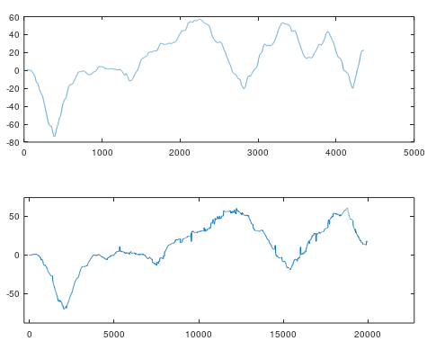

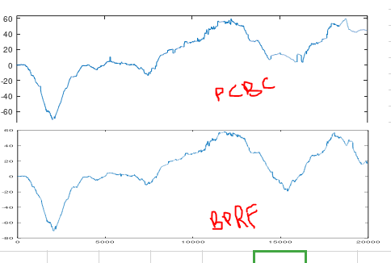

 |  |  |  |  |  |  |  |  | range=[-15:.01:15];
 |  |  |  |  |  |  |  |  | centers=[-15:0.02:15];

 |  |  |  |  |  |  |  |  | very high computational cost

 |  |  |  |  |  |  |  |  | iter=10; #iterations of PCBC
 |  |  |  |  |  |  |  |  | #setting Input for inertial sensor and positioning
 |  |  |  |  |  |  |  |  | AOdom=1;
 |  |  |  |  |  |  |  |  | sigmaOdom=0.1;
 |  |  |  |  |  |  |  |  | AUSBL=1;
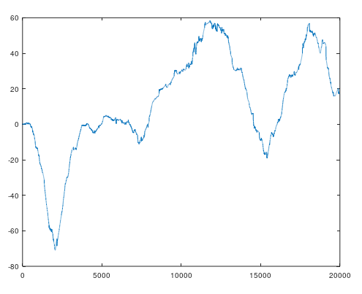
 |  |  |  |  |  |  |  |  | sigmaUSBL=0.01;

 | above is dgps and below is pcbc usbl plus odometeryData x axis

 |  |  |  |  | can i achieve it with

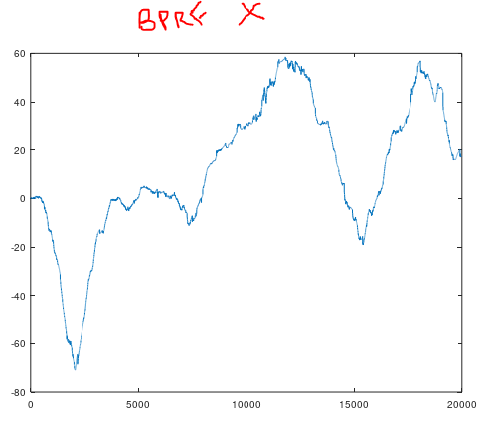

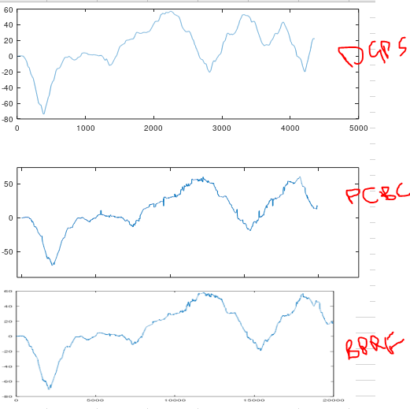

 | range=[-15:.01:15];
 | centers=[-15:0.02:15];

 | iter=10; #iterations of PCBC
 | #setting Input for inertial sensor and positioning
 | AOdom=1;
 | sigmaOdom=0.1;
 | AUSBL=1;
 | sigmaUSBL=0.01;

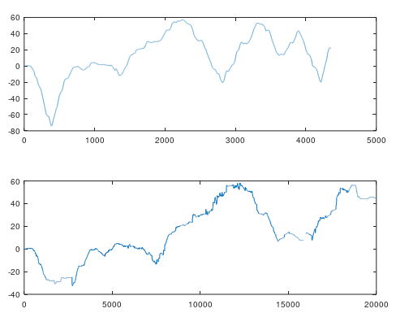

 |  |  |  |  |  |  |  |  | range=[-6:.01:6];
 |  |  |  |  |  |  |  |  | centers=[-6:0.02:6];

 |  |  |  |  |  |  |  |  | iter=10; #iterations of PCBC
 |  |  |  |  |  |  |  |  | #setting Input for inertial sensor and positioning
 |  |  |  |  |  |  |  |  | AOdom=1;
 |  |  |  |  |  |  |  |  | sigmaOdom=0.1;
 |  |  |  |  |  |  |  |  | AUSBL=1;
 |  |  |  |  |  |  |  |  | sigmaUSBL=0.01;

 |  |  | bprf
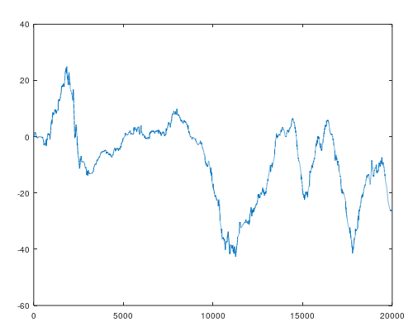
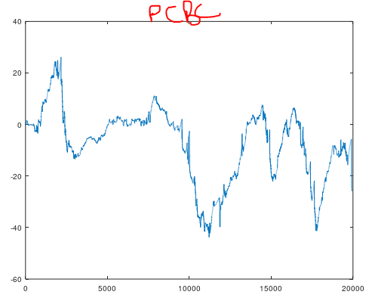



 |  | so i conclude pcbc can be perfomed to localize the experimental data as well. issue is computational cost. it can eliminate abrupt noise and it can be used to
 |  | find location .. purpose is that we just want to introduce that pcbc dim can do localizations as well. in simulation data in experimental data and so on
 |  | but one limitation should be in mind.... if data is so much variable like sometime giving 0.01 and sometime giving 10 it means pcbc will appear slow
 |  | usually sensors have constant data rates. if here in experimental case usbl data rate is not constant that is why considering every point is very much essential
 |  | we must have to consider the speed of vehicle and maximum traveling rate of sensor and minimum rate as well


 |  | here a very important point arises as the data is veriable... some values appear fast and some delayed what if each time with the value of inertial sensor i add weight
 |  | 1) what about segmentation of weights to speed up

 |  | usbl half of values are less than -15 to 15
 |  | then another big values lies -20 to 20 then -40 to 40 for X axis in simulation data

 |  | simulation data sigma is further less so above weights are fine
 |  | for y axis

 |  | sigma is 5 almost for z axis so now i try segmentation of weights

 |  | i tried but it could not work much... there is possibility of code error
 |  | or design faults may be ...


 | anyhow when i selected range -20 to 20 and -40 to 40
 | left side image appeared
 | now i thought may be i have detecting the value wrongly
 | i should do it on base of usbl the highest variable
 | in giving values sometimes gives after 1 sec and sometime
 | gives after 10 sec ... that is why i am trying a new
 | experiment

 | in 23 version i am selecting sW based on usbl difference at the very start of for loop


actually in mind i was not fully aware what is happening
i was doing it may be on hit and trial basis

because actually these are the steps which comes first

range=[1:10:41];
centers=[1:10:41];
as i am styding auto encode and i am learning that weights must be same .... so the subnetting is not good idea for now
1 | 2 | 3 | 4 | 5 | 6 | 7 | 8 | 9 | 10 | 11 | 12 | 13 | 14 | 15 | 16 | 17 | 18 | 19
1 | 1 | 1 | 1 | 1 | 6 | 11 | 11 | 11 | 11 | 11 | 11 | 11 | 11 | 11 | 16 | 21 | 21 | 21 | 21 | 21 | 21 | 21 | 21 | 21 | 26 | 31 | 31 | 31 | 31 | 31 | 31 | 31 | 31 | 31 | 36 | 41 | 41 | 41 | 41 | 41
sigma is 1
1 | 1 | 1.0039 | 1.0639 | 1.7528 | 6 | 10.247 | 10.936 | 10.996 | 11 | 11 | 11 | 11.004 | 11.064 | 11.753 | 16 | 20.247 | 20.936 | 20.996 | 21 | 21 | 21 | 21.004 | 21.064 | 21.753 | 26 | 30.247 | 30.936 | 30.996 | 31 | 31 | 31 | 31.004 | 31.064 | 31.753 | 36 | 40.247 | 40.936 | 40.996 | 41 | 41
sigma is 2
1.0003 | 1.0772 | 1.3072 | 1.9453 | 3.4561 | 6 | 8.5439 | 10.055 | 10.693 | 10.923 | 11 | 11.077 | 11.307 | 11.945 | 13.456 | 16 | 18.544 | 20.055 | 20.693 | 20.923 | 21 | 21.077 | 21.307 | 21.945 | 23.456 | 26 | 28.544 | 30.055 | 30.693 | 30.923 | 31 | 31.077 | 31.307 | 31.945 | 33.456 | 36 | 38.544 | 40.055 | 40.693 | 40.923 | 41
s3
1.002 | 1.3682 | 1.9921 | 2.9728 | 4.3499 | 6.0057 | 7.6625 | 9.0418 | 10.025 | 10.65 | 11 | 11.35 | 11.976 | 12.959 | 14.34 | 16 | 17.66 | 19.041 | 20.024 | 20.65 | 21 | 21.35 | 21.976 | 22.959 | 24.34 | 26 | 27.66 | 29.041 | 30.024 | 30.65 | 31 | 31.35 | 31.975 | 32.958 | 34.337 | 35.994 | 37.65 | 39.027 | 40.008 | 40.632 | 40.998
s4
1.06 | 1.6616 | 2.4994 | 3.542 | 4.7581 | 6.0773 | 7.4007 | 8.6278 | 9.6848 | 10.538 | 11 | 11.487 | 12.341 | 13.409 | 14.653 | 16 | 17.347 | 18.591 | 19.659 | 20.513 | 21 | 21.487 | 22.341 | 23.409 | 24.653 | 26 | 27.347 | 28.591 | 29.659 | 30.513 | 31 | 31.462 | 32.315 | 33.372 | 34.599 | 35.923 | 37.242 | 38.458 | 39.501 | 40.338 | 40.94
s5

1.3103 | 2.0281 | 2.9526 | 4.014 | 5.1736 | 6.3887 | 7.6108 | 8.7903 | 9.883 | 10.856 | 11.001 | 11.474 | 12.381 | 13.49 | 14.716 | 16.001 | 17.287 | 18.514 | 19.624 | 20.531 | 21 | 21.469 | 22.376 | 23.486 | 24.713 | 25.999 | 27.284 | 28.51 | 29.619 | 30.526 | 30.999 | 31.144 | 32.117 | 33.21 | 34.389 | 35.611 | 36.826 | 37.986 | 39.047 | 39.972 | 40.69
s6
1.8773 | 2.7096 | 3.6894 | 4.7728 | 5.9265 | 7.119 | 8.3189 | 9.4944 | 10.616 | 11 | 11.011 | 11.556 | 12.429 | 13.523 | 14.741 | 16.016 | 17.292 | 18.513 | 19.608 | 20.478 | 21 | 21.522 | 22.392 | 23.487 | 24.708 | 25.984 | 27.259 | 28.477 | 29.571 | 30.444 | 30.989 | 31 | 31.384 | 32.506 | 33.681 | 34.881 | 36.074 | 37.227 | 38.311 | 39.29 | 40.123
s7
2.8293 | 3.7758 | 4.8215 | 5.9406 | 7.1096 | 8.3058 | 9.5063 | 10.689 | 11 | 11 | 11.063 | 11.7 | 12.585 | 13.652 | 14.837 | 16.077 | 17.319 | 18.503 | 19.567 | 20.442 | 21 | 21.558 | 22.433 | 23.497 | 24.681 | 25.923 | 27.163 | 28.348 | 29.415 | 30.3 | 30.937 | 31 | 31 | 31.311 | 32.494 | 33.694 | 34.89 | 36.059 | 37.179 | 38.224 | 39.171
s8
4.1931 | 5.2382 | 6.3498 | 7.5112 | 8.7057 | 9.9168 | 10.999 | 11 | 11 | 11 | 11.18 | 11.904 | 12.819 | 13.875 | 15.025 | 16.221 | 17.415 | 18.558 | 19.601 | 20.496 | 21 | 21.504 | 22.399 | 23.442 | 24.585 | 25.779 | 26.975 | 28.125 | 29.181 | 30.096 | 30.82 | 31 | 31 | 31 | 31.001 | 32.083 | 33.294 | 34.489 | 35.65 | 36.762 | 37.807
s9
5.9784 | 7.1039 | 8.2741 | 9.4767 | 10.699 | 11 | 11 | 11 | 11 | 11 | 11.387 | 12.189 | 13.135 | 14.188 | 15.311 | 16.468 | 17.619 | 18.727 | 19.754 | 20.667 | 21 | 21.333 | 22.246 | 23.273 | 24.381 | 25.532 | 26.689 | 27.812 | 28.865 | 29.811 | 30.613 | 31 | 31 | 31 | 31 | 31 | 31.301 | 32.523 | 33.726 | 34.896 | 36.022
s10
5.979 | 7.1043 | 8.2744 | 9.4769 | 10.7 | 11 | 11 | 11 | 11 | 11 | 11.389 | 12.19 | 13.136 | 14.188 | 15.312 | 16.468 | 17.619 | 18.727 | 19.754 | 20.667 | 21 | 21.333 | 22.246 | 23.273 | 24.381 | 25.532 | 26.688 | 27.812 | 28.864 | 29.81 | 30.611 | 31 | 31 | 31 | 31 | 31 | 31.3 | 32.523 | 33.726 | 34.896 | 36.021
s11
5.979 | 7.1043 | 8.2744 | 9.4769 | 10.7 | 11 | 11 | 11 | 11 | 11 | 11.389 | 12.19 | 13.136 | 14.188 | 15.312 | 16.468 | 17.619 | 18.727 | 19.754 | 20.667 | 21 | 21.333 | 22.246 | 23.273 | 24.381 | 25.532 | 26.688 | 27.812 | 28.864 | 29.81 | 30.611 | 31 | 31 | 31 | 31 | 31 | 31.3 | 32.523 | 33.726 | 34.896 | 36.021
s12

this indicate for all better results good sigma is always the difference between two range like sigma 6 is good if 1 to 11 ....
this means sigma should not be more than half of difference for more good approximations
range=[1:10:41];
centers=[1:5:41];

1.387 | 2.0339 | 2.9451 | 4.0959 | 5.4316 | 6.8511 | 8.2251 | 9.4368 | 10.417 | 11 | 11.001 | 11.324 | 12.052 | 13.128 | 14.483 | 16.002 | 17.521 | 18.876 | 19.953 | 20.681 | 21 | 21.319 | 22.047 | 23.124 | 24.479 | 25.998 | 27.517 | 28.872 | 29.948 | 30.676 | 30.999 | 31 | 31.583 | 32.563 | 33.775 | 35.149 | 36.568 | 37.904 | 39.055 | 39.966 | 40.613
s5
1 | 1 | 1 | 1 | 1.001 | 6 | 10.999 | 11 | 11 | 11 | 11 | 11 | 11 | 11 | 11.001 | 16 | 20.999 | 21 | 21 | 21 | 21 | 21 | 21 | 21 | 21.001 | 26 | 30.999 | 31 | 31 | 31 | 31 | 31 | 31 | 31 | 31.001 | 36 | 40.999 | 41 | 41 | 41 | 41
s1
using this approximation change sigma of v20 stable

ok good enough now i have the idea to implement autoencoder Alhamdulilah!!!


huge error i was decoding y which is prediction neuron ... i had to deal with reconstruction neuron which is r

